Stock Comp Outstanding
THE HOME DEPOT, INC.
Option Value based on the Black-Scholes Model:
 |  |  | Per Footnote 8:
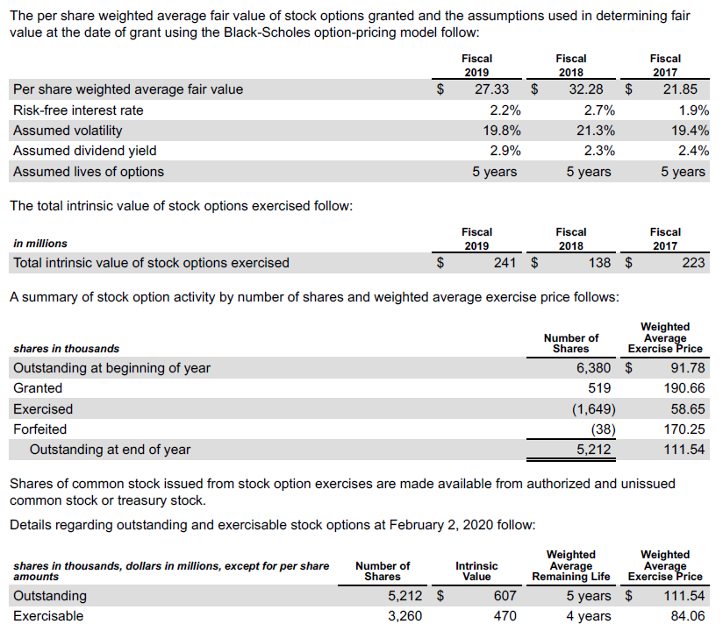
Black-Scholes Option Pricing Model
Inputs:
Stock Price (S) | $228.10
Strike Price (X) | $111.54
Volatility (s) | 19.80%
Risk-free Rate | 2.20%
Time to expiration (T) | 5 | yrs
Dividend Yield | 2.90%
# of Options (000) | 5,212
# Shares Outstanding (000) | 1,077,000
Tax Rate | 25.40%
Output:

D1 | 1.75816
D2 | 1.31542
N(D1) | 0.96064
N(D2) | 0.90582
Call Price | $99.03509
Value of Call Options (000) | $516,171

Restricted nonvested shares oustanding (000) | 3,975
Value of Restricted shares outstanding (000) | $906,698

Value of options + restricted shares | $1,422,868
Less: Unrecognized expense ($000) | $379,000
Before tax value of stock comp outstanding ($000) | $1,043,868
After-tax Stock Comp Value (000) | $778,726

Source: http://www3.nd.edu/~scorwin/fin70610/BlackScholes.xls

RSU footnote: HD does not tell us how many of the restricted units are RSUs
versus restricted shares of stock. We will assume that all units are RSUs.

Stock Price as of January 31, 2020 per Yahoo!Finance -- I suggest you start with this value and then iteratively re-value the options with your estimates of intrinsic equity value. For the purposes of this assignment, do not worry about iterating.

